Hoja2
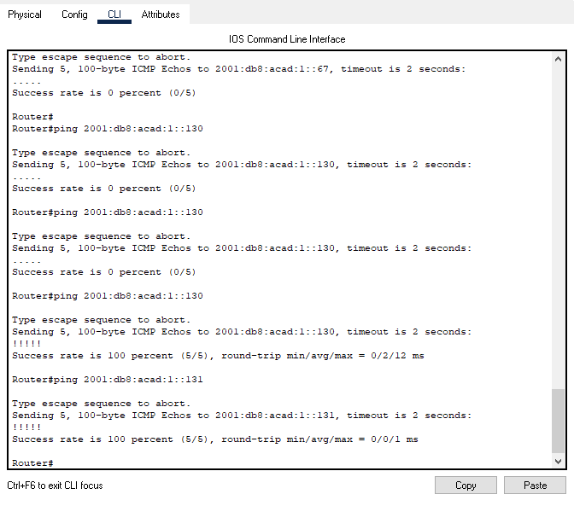
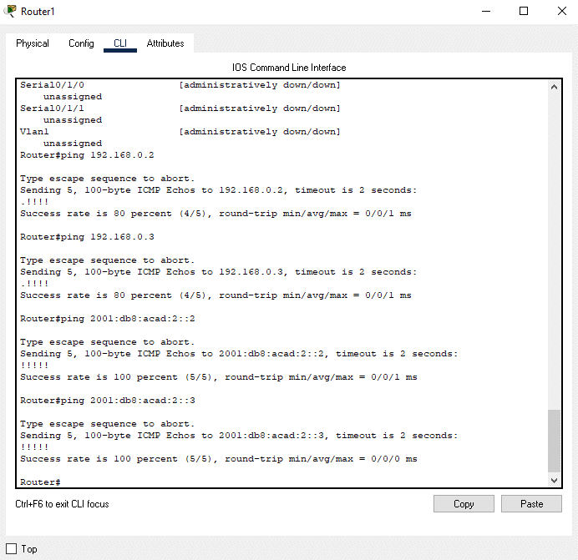
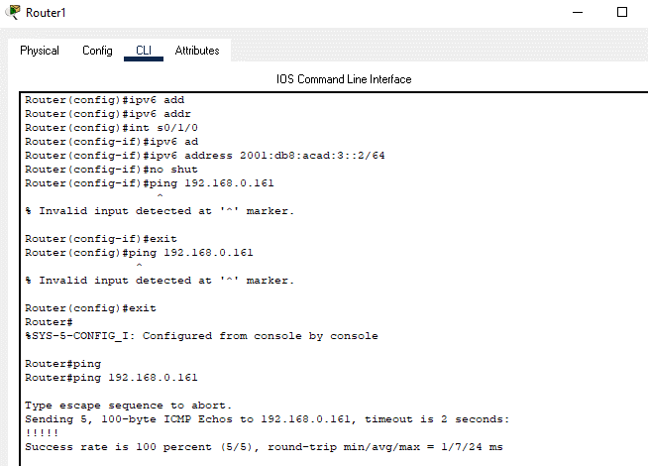
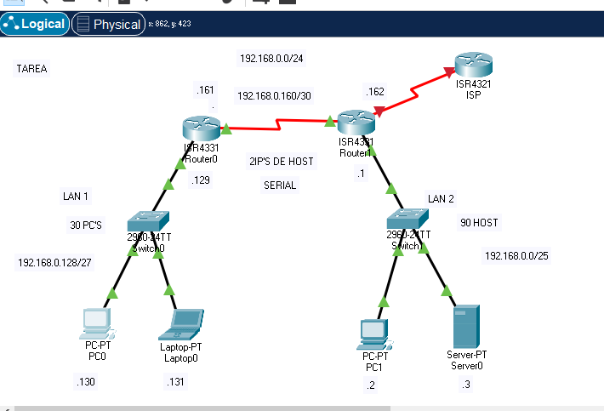
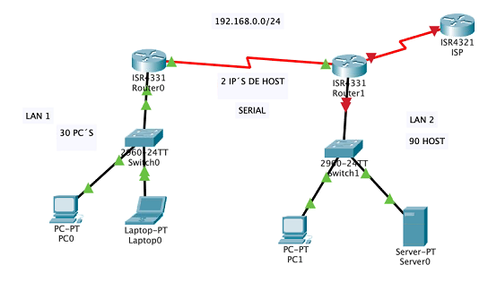

VLSM

BROADCAST | 1ERA IP USA | ULTI IP USA | Columna1 | RED | Columna2 | BITS PARA SUBRED | SUBRED | BITS PARA HOST | HOST | masknet
192.168.0.0 | 192.168.0.1 | 192.168.0.126 | 192.168.0.127 | LAN 2 | 2^7 | 24+7 | /31 | 32-7 | 25 | 255,255,255,128
192.168.0.128 | 192.168.0.129 | 192.168.0.158 | 192.168.0.159 | LAN 1 | 2^5 | 24+5 | /29 | 32-5 | 27 | 255,255,255,224
192.168.0.160 | 192.168.0.161 | 192.168.0.162 | 192.168.0.163 | SERIAL | 2^2 | 24+2 | /26 | 32-2 | 30 | 255,255,255,252

